Feuil1
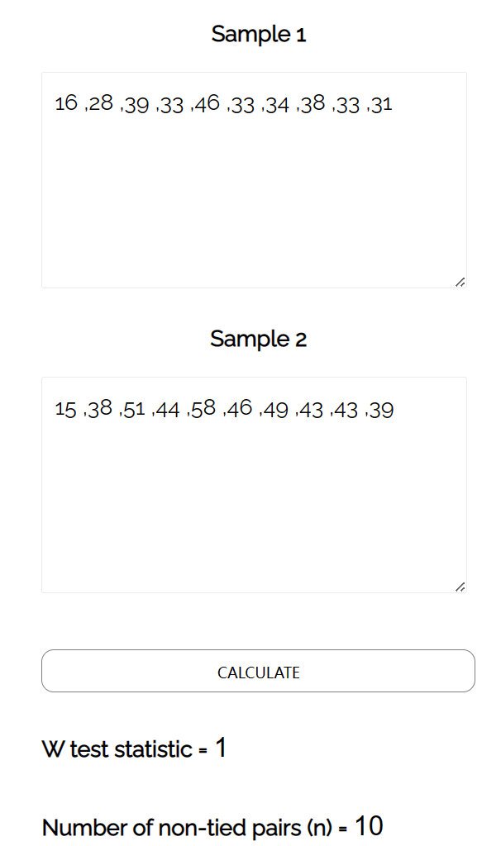
NASA TLX easy difficultty
 | USER1 | USER2 | USER3 | USER4 | USER5 | USER6 | USER 7 | USER 8 | USER 9 | USER 10
Mental Demand | 30 | 15 | 40 | 30 | 35 | 50 | 40 | 50 | 45 | 40
Physical Demand | 10 | 15 | 10 | 20 | 35 | 25 | 30 | 30 | 25 | 25
Temporal Demand | 10 | 30 | 60 | 65 | 50 | 40 | 45 | 45 | 40 | 35
Performace | 30 | 30 | 75 | 15 | 70 | 15 | 25 | 30 | 25 | 30
Effort | 10 | 30 | 35 | 55 | 70 | 50 | 45 | 45 | 40 | 35
Frustration | 10 | 50 | 15 | 15 | 15 | 15 | 20 | 25 | 20 | 20
Total | 16 | 28 | 39 | 33 | 46 | 33 | 34 | 38 | 33 | 31

NASA TLX hard difficultty
 | USER1 | USER2 | USER3 | USER4 | USER5 | USER6 | USER 7 | USER 8 | USER 9 | USER 10
Mental Demand | 30 | 25 | 50 | 40 | 55 | 60 | 55 | 55 | 55 | 45
Physical Demand | 10 | 25 | 20 | 30 | 45 | 35 | 45 | 35 | 35 | 35
Temporal Demand | 10 | 40 | 70 | 70 | 60 | 45 | 55 | 45 | 45 | 40
Performace | 30 | 40 | 85 | 25 | 80 | 35 | 45 | 50 | 35 | 40
Effort | 5 | 40 | 50 | 65 | 80 | 70 | 65 | 45 | 55 | 45
Frustration | 5 | 60 | 30 | 35 | 30 | 30 | 30 | 30 | 30 | 30
Total | 15 | 38 | 51 | 44 | 58 | 46 | 49 | 43 | 43 | 39

NASA TLX insane difficultty
 | USER1 | USER2 | USER3 | USER4 | USER5 | USER6 | USER 7 | USER 8 | USER 9 | USER 10
Mental Demand | 40 | 35 | 55 | 50 | 65 | 70 | 65 | 60 | 75 | 50
Physical Demand | 20 | 35 | 30 | 40 | 45 | 45 | 55 | 45 | 35 | 45
Temporal Demand | 20 | 50 | 75 | 75 | 65 | 50 | 60 | 45 | 45 | 45
Performace | 30 | 50 | 85 | 35 | 85 | 40 | 50 | 55 | 35 | 45
Effort | 15 | 50 | 55 | 75 | 85 | 75 | 70 | 60 | 65 | 55
Frustration | 15 | 65 | 40 | 45 | 40 | 35 | 40 | 30 | 30 | 45
Total | 23 | 48 | 57 | 53 | 64 | 53 | 57 | 49 | 48 | 48

EASY | 16 | 28 | 39 | 33 | 46 | 33 | 34 | 38 | 33 | 31
HARD | 15 | 38 | 51 | 44 | 58 | 46 | 49 | 43 | 43 | 39
INSANE | 23 | 48 | 57 | 53 | 64 | 53 | 57 | 49 | 48 | 48

SUS
 | USER1 | USER2 | USER3 | USER4 | USER5 | USER6 | USER7 | USER8 | USER9 | USER10
Question1 | 4 | 4 | 5 | 3 | 3 | 4 | 4 | 4 | 3 | 5
Question2 | 2 | 2 | 1 | 1 | 3 | 1 | 2 | 2 | 2 | 2
Question3 | 5 | 4 | 4 | 4 | 2 | 5 | 5 | 4 | 5 | 3
Question4 | 1 | 2 | 1 | 2 | 3 | 2 | 1 | 1 | 2 | 1
Question5 | 3 | 5 | 5 | 4 | 2 | 4 | 3 | 4 | 4 | 3
Question6 | 1 | 1 | 1 | 1 | 2 | 1 | 1 | 1 | 2 | 2
Question7 | 5 | 5 | 5 | 4 | 5 | 5 | 5 | 4 | 5 | 5
Question8 | 2 | 3 | 2 | 3 | 3 | 2 | 1 | 2 | 1 | 2
Question9 | 4 | 3 | 4 | 4 | 2 | 4 | 3 | 3 | 4 | 4
Question10 | 2 | 1 | 2 | 2 | 3 | 1 | 1 | 3 | 2 | 2
Total | 82.5 | 80 | 90 | 75 | 50 | 87.5 | 85 | 75 | 80 | 77.5
Average score | 78.25

